Sheet1
Action | Input | Description | Details (Screen/ Document/ Video recording Index) | Output | Exception Handling | Possible Actions/ Bot design Alternatives | Business Rules Library Index
1 | Orchestrator queue (populated from Excel file) | Reading data from queue and sending it to verification |  | Parsed data
2 | Last ITP date | Check if the ITP will expire soon to be sending mail | 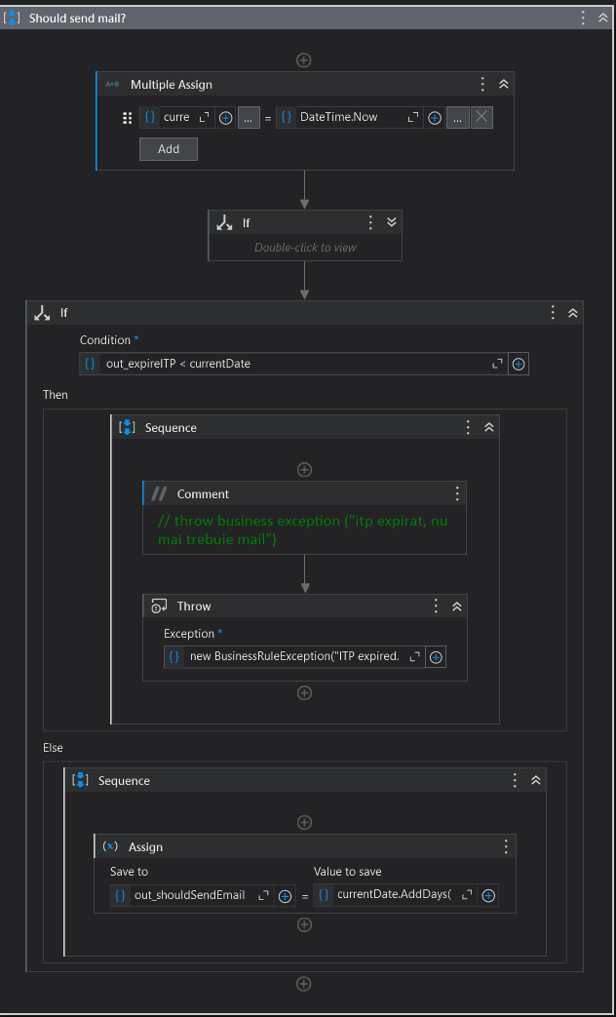 |  | If the ITP expiration date has already passed and if the car is older than 25 years.
3 | Users' details who should be notified via email | Send first mail and verify if there should be a second mail scheduled for the future (the scheduling is broken down in the next action: action 4 - scheduling second mail) | 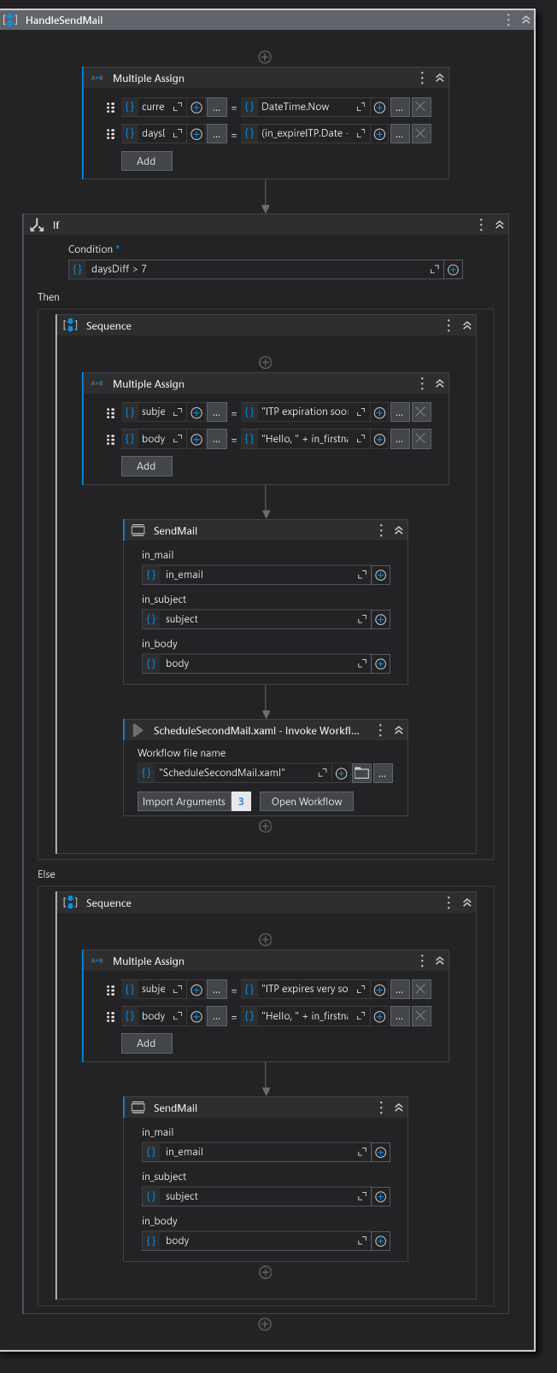 | One email sent throught Send SMTP Mail activity
4.1 |  | Click Compose | 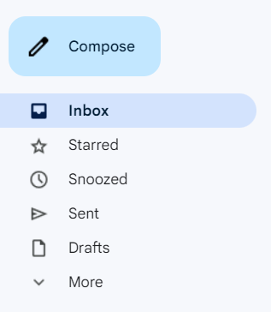
4.2 | Receiver email, subject and body of the mail | Compose the email with the given details | 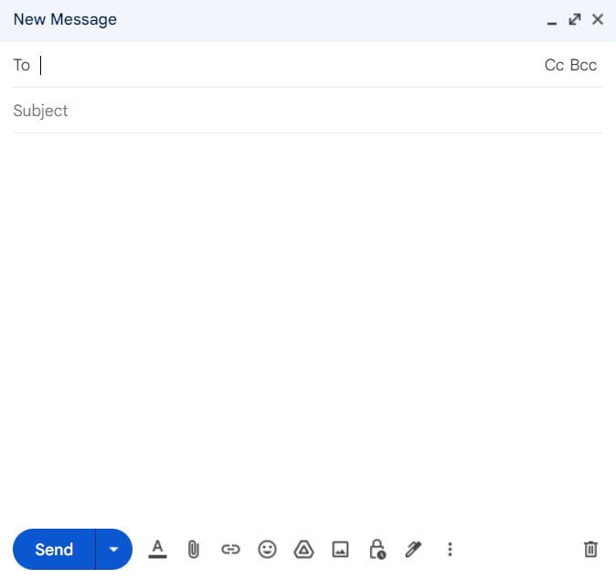
4.3 |  | Click Schedule send
4.4 |  | Click Pick date & time | 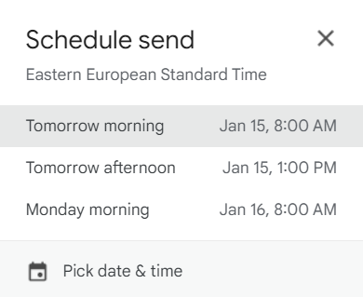
4.5 | The time needed to input (5 minutes after current time) | Select the right time and click Schedule send | 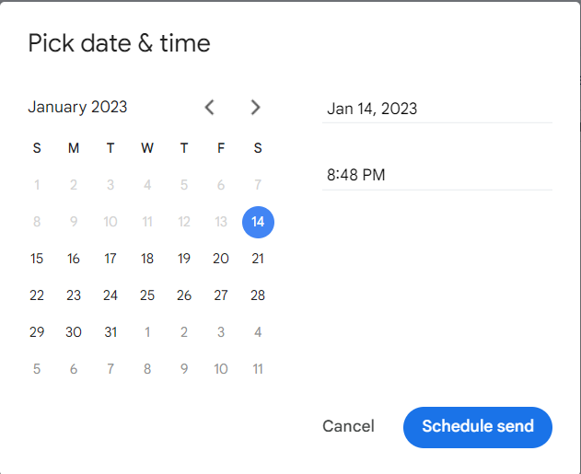 | A scheduled email

